Script
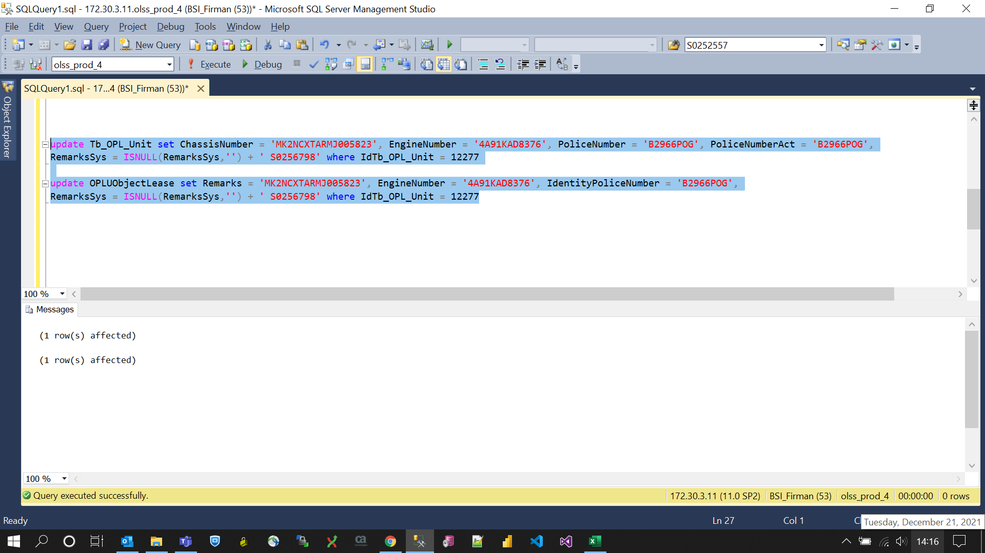
update Tb_OPL_Unit set ChassisNumber = 'MK2NCXTARMJ005823', EngineNumber = '4A91KAD8376', PoliceNumber = 'B2966POG', PoliceNumberAct = 'B2966POG',
RemarksSys = ISNULL(RemarksSys,'') + ' S0256798' where IdTb_OPL_Unit = 12277

update OPLUObjectLease set Remarks = 'MK2NCXTARMJ005823', EngineNumber = '4A91KAD8376', IdentityPoliceNumber = 'B2966POG',
RemarksSys = ISNULL(RemarksSys,'') + ' S0256798' where IdTb_OPL_Unit = 12277

Screenshot
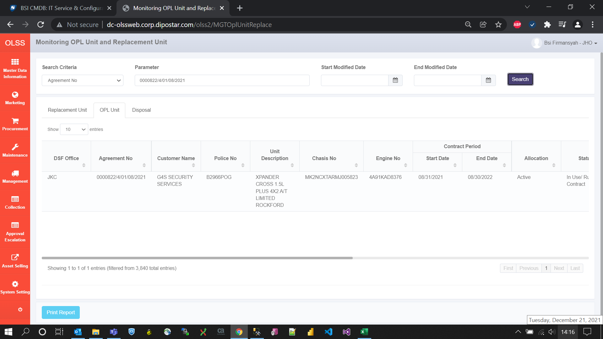
BEFORE
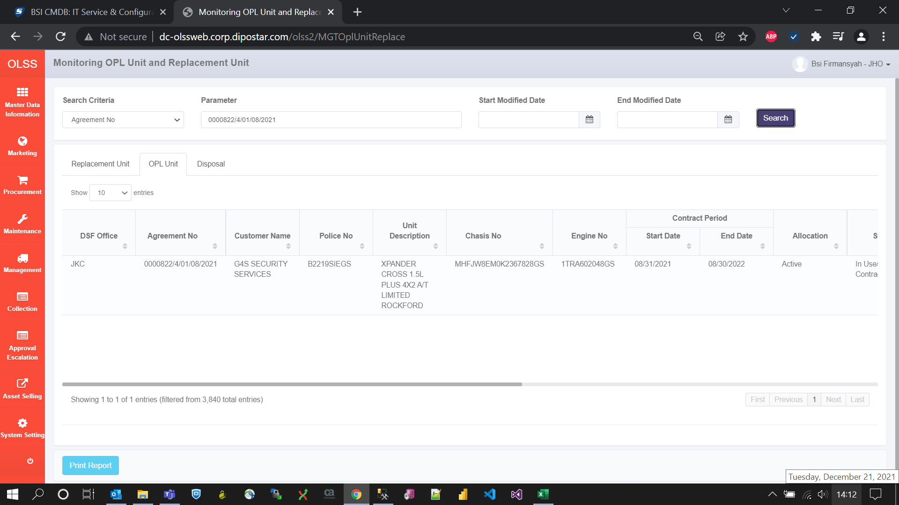

AFTER

